1. Title Page
Grocery Basket Analysis

Project Name: Instacart Grocery Basket Analysis
Date: 10/29/2024
Analyst Name: Andy Cen

Contents:
Population Flow
Consistency checks
Wrangling steps
Column derivations
Visualizations
Recommendations

Citation:
CareerFoundry Data set: Orders dataset, Products Data set, Customers Data Set

“The Instacart Online Grocery Shopping Dataset 2017”, Accessed from www.instacart.com/datasets/grocery-shopping-2017 via Kaggle on 10/29/2024

2. Population Flow
Title page

Population flow

Exclusion flag
Condition: max_order < 5
Obervations to be removed: 7990046
Final total count of order_products_all: 24415076

Orders_products_combined
Orders_products_merged
Orders_products_all

Total: 32434489
Total: 32405122
Total: 32405122

1.) The grey boxes in the first row of the population flow represent the original data sets as they were when you downloaded them. In the Total fields you need to add the count of the rows when you imported the data set into Jupyter.
2.) The second row of boxes (coloured) represents the data sets after you manipulated them, e.g., removed missing values and duplicates. In the Total fields you need to add the count of the rows after conducting these operations. This offers a visual oveview of how the data flows throughout the data consistency checks.
3.) The third row, where also the arrows are coloured, represents the merges you performed between the datasets. In the Total fields you need to add the count of the rows in the merged datasets, so that you end up with the final dataset (in the red box). Keep in mind the final dataset should be without exclusions (based on the exclusion flag).

3. Consistency checks
 |  |  |  | Title page
Consistency checks

Dataset | Missing values | Missing values treatment | Duplicates
orders | 206209 | Did not drop | 0
products | 16 | Dropped | 5
orders_products_prior | 0 | No missing values | 0
customers | 11259 | Did not drop | 0

4. Wrangling steps
 |  |  |  | Title page
Wrangling steps

Columns dropped | Columns renamed | Columns' type changed | Comment/Reason
eval_set |  |  | unnecessary data
 | order_dow |  | renamed to order_day_of_week
 |  | order_id | changed to data type string
 |  | user_id | changed to data type string
 | order_hour_of_day |  | renamed to order_by_hour
_merge |  |  | dropped _merge column from the pervious part of the exercise
 | Surnam |  | renamed to surname
 | First name |  | renamed to first_name
 | Gender |  | renamed to gender
 | STATE |  | renamed to state
 | Age |  | renamed to age
 | n_dependants |  | renamed to number_of_dependents
 | fam_status |  | renamed to marital_status
Unamed: 0_x |  |  | dropped Unnamed:0_x, unnecessary data
Unamed: 0.1 |  |  | dropped Unnamed:0.1, unnecessary data
Unamed: 0_y |  |  | dropped Unnamed:0_y, unnecessary data
merge_ |  |  | dropped merge_, unnecessary data

5. Column derivations
 |  |  |  | Title page

Column derivations and aggregations

In this tab you should add tables below that the frequences of flags/label variables that you produced after deriving them. NB: don't do this for continuous variables, only for flags.
Dataset | New column | Column/s it was derived from | Conditions
df_ords_prods_m | busiest_day | order_day_of_week | from the result loop
df_ords_prods_m | Busy_days | order_day_of_week | from the other_result loop
df_ords_prods_m | busiest_period_of_day | order_day_of_week | from the hour_result loop
ords_prods_merge | max_order | user_id' and 'order-number' | groupby
ords_prods_merge | loyalty_flag | max_order | label to a user ID based on its corresponding max_order value
ords_prods_merge | average_spending | user_id' and 'prices' | groupby
ords_prods_merge | spending_flag | average_spending | label to a user ID based on its corresponding average_spending value
ords_prods_merge | order_regularity | user_id' and 'days_since_prior_order' | groupby
ords_prods_merge | order_frequency_flag | order_regularity | based on its corresponding median 'days_since_prior_order' value
customer_merge | Region | state | from the region_result loop
customer_merge | exclusion_flag | max_order | exclusion flag for customers with < 5 orders
customer_merge | customer_profile | number of 'dependents', 'age', 'income' | customer_profiling function

6. Visualizations
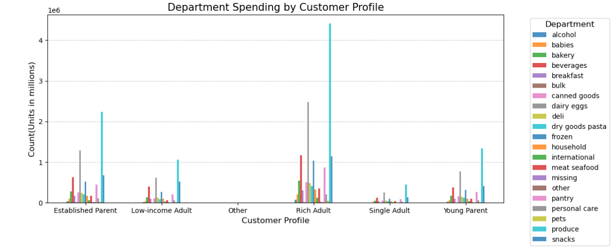
 | Title page

Visualisations

In this tab you should include all the visualtions from Exercises 4.9 and 4.10, alongside the questions from the project brief that they answer. Include any commentary on the relationship between different variables.

KEY QUESTIONS
The sales team needs to know what the busiest days of the week and hours of the day are (i.e., the days and times with the most orders) in order to schedule ads at times when there are fewer orders.
Saturday and Sunday seem to have the most orders of the week. Wedneday and Tuesday have the least orders of the week. The busiest hours are from around hour 9 to hour 16. The least busiest orders are from hour 0 to hour 5.

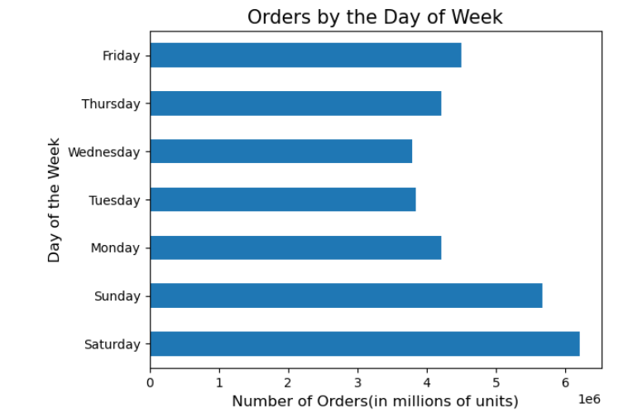


They want to know whether there are particular times of the day when people spend the most money, as this might inform the type of products they advertise at these times.
The hourly price at around hour 3-6 is when the prices are the most expensive. At hour 8-11, the prices will be the least expensive. Friday and Saturday's prices are the highest compared to the rest of the week.

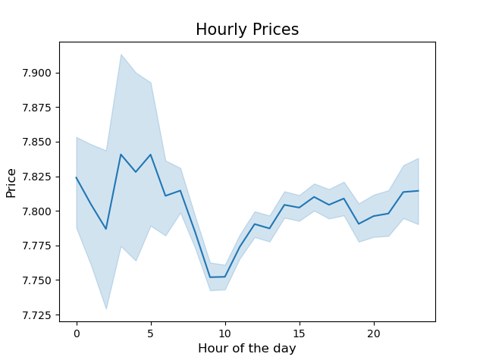
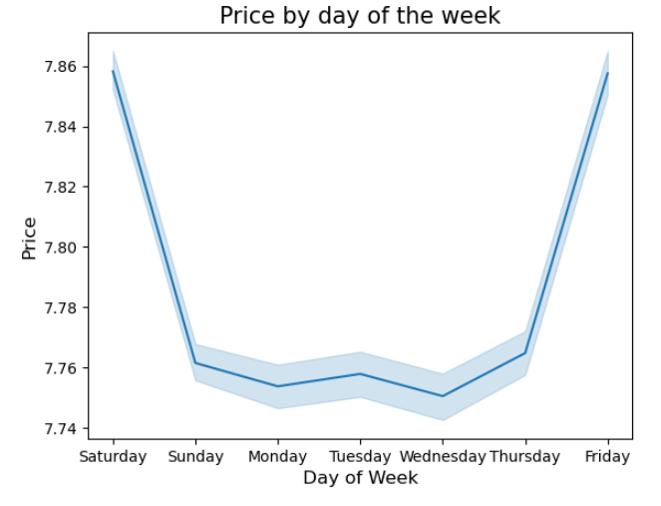

Instacart has a lot of products with different price tags. Marketing and sales want to use simpler price range groupings to help direct their efforts.
The most common prices range from 0 to 15. The least common price ranges from 16 and beyond.

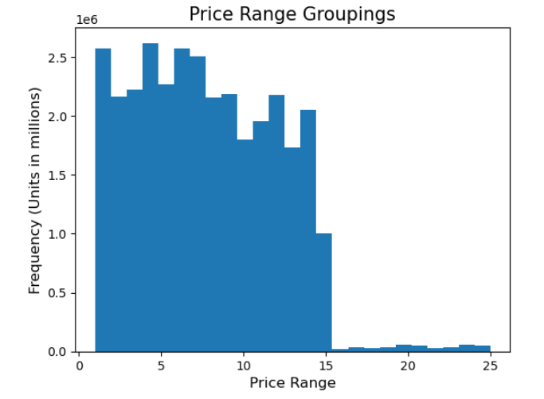

Are there certain types of products that are more popular than others? The marketing and sales teams want to know which departments have the highest frequency of product orders.
Produce, dairy eggs, and snacks are the most popular products.

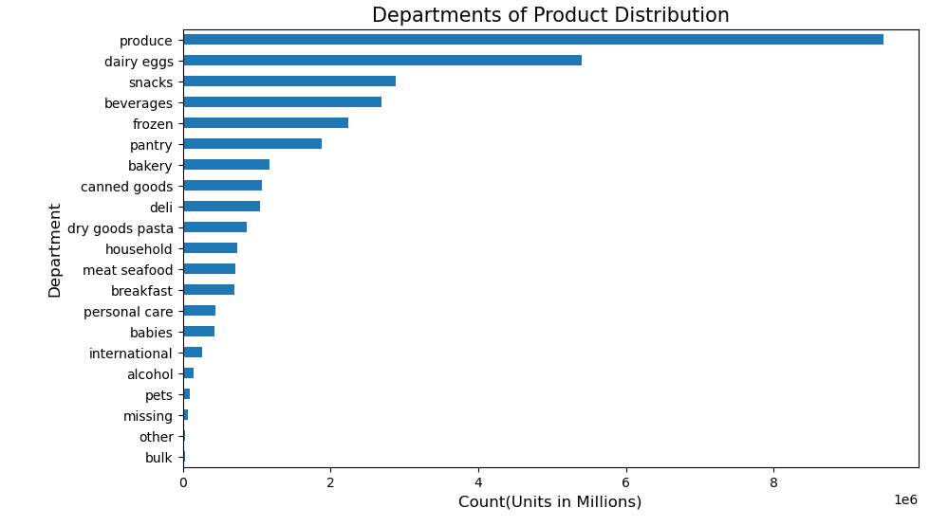

What’s the distribution among users in regards to their brand loyalty (i.e., how often do they return to Instacart)?
Loyal Customers return at an average of around 6 days. Regular Customers return at an average of 12 days. New Customers return at an average of 18 days.

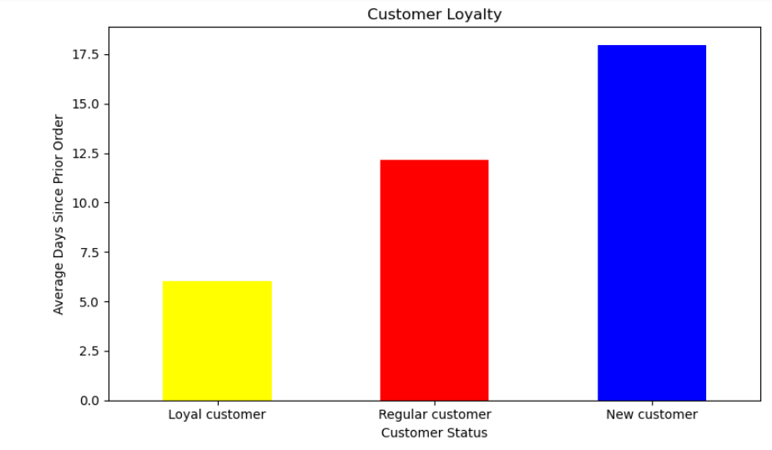

Are there differences in ordering habits based on a customer’s loyalty status?
Regular customers have the highest distribution of orders. New Customers have the lowest distribution of orders.

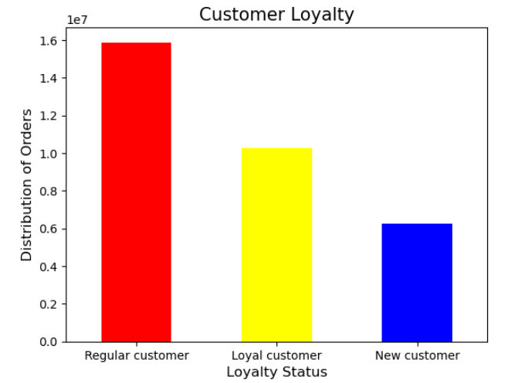

There is little to no difference other than the population of each region in ordering habits based on region. Produce seem to accumulate the highest number of orders followed by dairy eggs.
Are there differences in ordering habits based on a customer’s region?

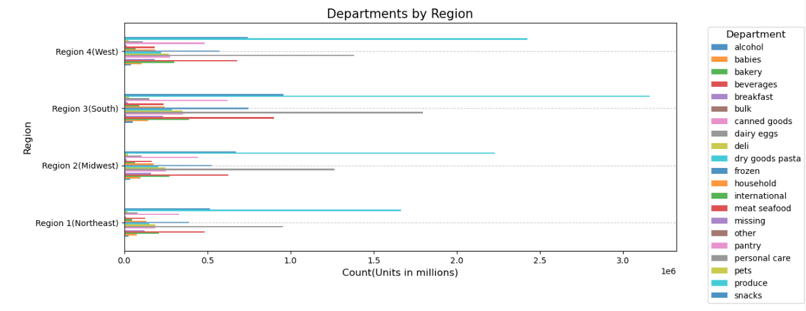

What different classifications does the demographic information suggest? Age? Income? Certain types of goods? Family status?
People over the age of 40 have a higher range of income compared to those under 40. There is no correlation between the number of dependents and age.

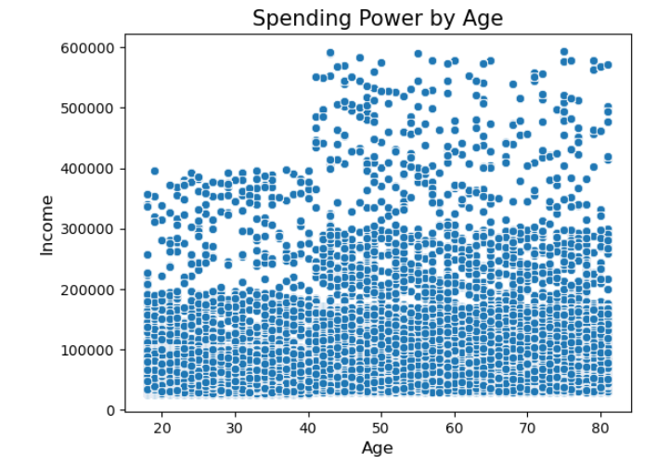
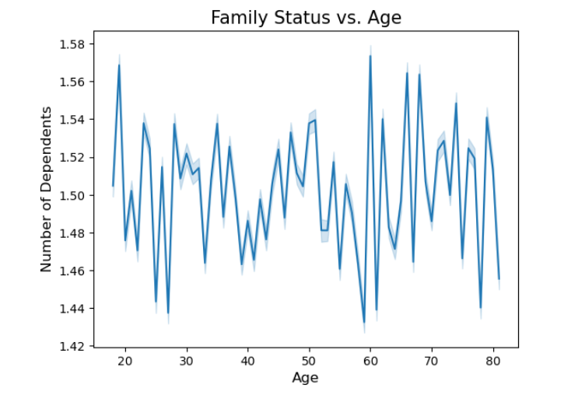

What differences can you find in ordering habits of different customer profiles? Considering the price of orders, the frequency of orders, the products customers are ordering, and etc.
Other than the population of each customer profile, the order habits of customer profiles are still very similar with produce and dairy eggs having the highest amount of orders.

7. Recommendations
Title page

Recommendations

In this tab you should include any recommendations you would made to Instcart in terms of their marketing strategy based on the questions posed in the brief. Every key question has been covered in the Tasks of the Exercises - here you need to add an item - a visualisation or table/crosstable that is showing the answer in the data, acompanied by a comment from you. Please, list the questions below and add the answer underneath.

KEY QUESTION 1
The sales team needs to know what the busiest days of the week and hours of the day are (i.e., the days and times with the most orders) in order to schedule ads at times when there are fewer orders.
Saturday and Sunday seem to have the most orders of the week. Wedneday and Tuesday have the least orders of the week. The busiest hours are from around hour 9 to hour 16. The least busiest orders are from hour 0 to hour 5.
Recommendations:
To increase sales in the weekdays, consider having discounted or promotions on items exclusively from Monday to Friday.

KEY QUESTION 2
They also want to know whether there are particular times of the day when people spend the most money, as this might inform the type of products they advertise at these times.
The hourly price at around hour 3-6 is when the prices are the most expensive. At hour 8-11, the prices will be the least expensive. Friday and Saturday's prices are the highest compared to the rest of the week.
Recommendations:
According to the line chart on the right labeled Hourly Prices, there is a mere 10 cent difference from the highest price and the lowest price. This is little to no variance and insight is not required.

KEY QUESTION 3
Instacart has a lot of products with different price tags. Marketing and sales want to use simpler price range groupings to help direct their efforts.
The most common prices range from 0 to 15. The least common price ranges from 16 and beyond.
Recommendations:
We can conclude from the visualization that a large majority of products are within the 0-15 price range.

KEY QUESTION 4
Are there certain types of products that are more popular than others? The marketing and sales teams want to know which departments have the highest frequency of product orders.
Produce, dairy eggs, and snacks are the most popular products.
Recommendation:
Customers most likely use Instacart to get their produce, dairy eggs, snacks and everyday food items in general. Consider having promotions or discounts on the less popular items such as pet items, alcohol, and international products.

KEY QUESTION 5
What’s the distribution among users in regards to their brand loyalty (i.e., how often do they return to Instacart)?
Loyal Customers return at an average of around 6 days. Regular Customers return at an average of 12 days. New Customers return at an average of 18 days.
Recommendations:
To attract customers that have a long return rate, consider having promotions that prompt customers to return for a discount. For example, after every order over $30, your next order gets a 10% discount. (Expires after 5 days).

KEY QUESTION 6
Are there differences in ordering habits based on a customer’s loyalty status?
Regular customers have the highest distribution of orders. New Customers have the lowest distribution of orders.
Recommendation:
Consider having a loyalty program and earn pointsm based off the amount of money spent. having rewards is an incentive and may attract customers to visit and use the service more often.

KEY QUESTION 7
Are there differences in ordering habits based on a customer’s region?
There is little to no difference other than the population of each region in ordering habits based on region. Produce seem to accumulate the highest number of orders followed by dairy eggs.
Recommendation:
Consider having more marketing funding for the Regions with lower orders such as Northeast and Midwest to increase customers.

KEY QUESTION 9
What different classifications does the demographic information suggest? Age? Income? Certain types of goods? Family status?
People over the age of 40 have a higher range of income compared to those under 40. There is no correlation between the number of dependents and age.
Recommendation:
Consider promoting for potential customers over 40 due to their high spending power.

KEY QUESTION 10
What differences can you find in ordering habits of different customer profiles? Consider the price of orders, the frequency of orders, the products customers are ordering, and anything else you can think of.
Other than the population of each customer profile, the order habits of customer profiles are still very similar with produce and dairy eggs having the highest amount of orders.
Recommendation:
Consider promoting and advertising products that are preferred to families. Products or Items with bulk or have a large quantity that can be fit for a family.

